Data Overview
min_rental_duration | max_rental_duration | avg_rental_duration | count_rental_duration_values
3 | 7 | 4.983016983 | 1001

min_length | max_length | avg_length
46 | 185 | 115.272

min_rental_rate | max_rental_rate | avg_rental_rate
0.99 | 4.99 | 2.982007992

min_replacement_cost | max_replacement_cost | avg_replacement_cost
9.99 | 29.99 | 19.984005994

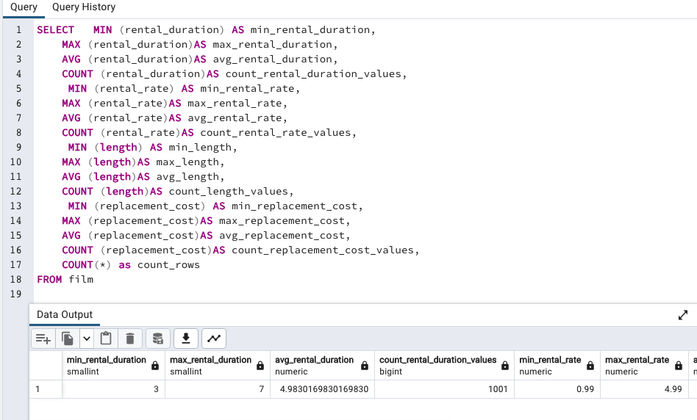
SELECT | MIN (rental_duration) AS min_rental_duration,
 | MAX (rental_duration)AS max_rental_duration,
 | AVG (rental_duration)AS avg_rental_duration,
 | COUNT (rental_duration)AS count_rental_duration_values,
 | MIN (rental_rate) AS min_rental_rate,
 | MAX (rental_rate)AS max_rental_rate,
 | AVG (rental_rate)AS avg_rental_rate,
 | COUNT (rental_rate)AS count_rental_rate_values,
 | MIN (length) AS min_length,
 | MAX (length)AS max_length,
 | AVG (length))AS avg_length,
 | COUNT (length)AS count_length_values,
 | MIN (replacement_cost) AS min_replacement_cost,
 | MAX (replacement_cost)AS max_replacement_cost,
 | AVG (replacement_cost)AS avg_replacement_cost,
 | COUNT (replacement_cost)AS count_replacement_cost_values,
 | COUNT(*) as count_rows
FROM film

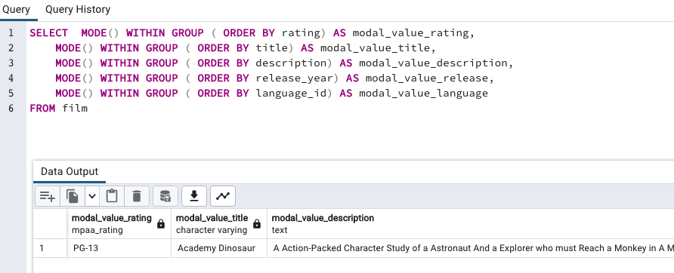
SELECT | MODE() WITHIN GROUP ( ORDER BY rating) AS modal_value_rating,
 | MODE() WITHIN GROUP ( ORDER BY title) AS modal_value_title,
 | MODE() WITHIN GROUP ( ORDER BY description) AS modal_value_description,
 | MODE() WITHIN GROUP ( ORDER BY release_year) AS modal_value_release,
 | MODE() WITHIN GROUP ( ORDER BY language_id) AS modal_value_language,
FROM film

Top_Rated
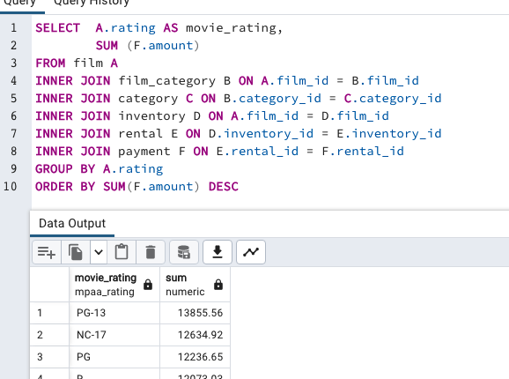
TOPRATEDBYREVENUE |  | SELECT | A.rating AS movie_rating,
movie_rating | sum |  |  | SUM (F.amount)
PG-13 | 13855.56 | FROM film A
NC-17 | 12634.92 | INNER JOIN film_category B ON A.film_id = B.film_id
PG | 12236.65 | INNER JOIN category C ON B.category_id = C.category_id
R | 12073.03 | INNER JOIN inventory D ON A.film_id = D.film_id
G | 10511.88 | INNER JOIN rental E ON D.inventory_id = E.inventory_id
 |  | INNER JOIN payment F ON E.rental_id = F.rental_id
 |  | GROUP BY A.rating
 |  | ORDER BY SUM(F.amount) DESC

Top_10_Movies
TOP10MOVIES |  |  | SELECT | A.title AS film_name,
film_name | category_name | total_revenue |  |  | C.name AS category_name,
Telegraph Voyage | Music | 215.75 |  |  | SUM(F.amount) AS total_revenue
Zorro Ark | Comedy | 199.72 | FROM film A
Wife Turn | Documentary | 198.73 | INNER JOIN film_category B ON A.film_id = B.film_id
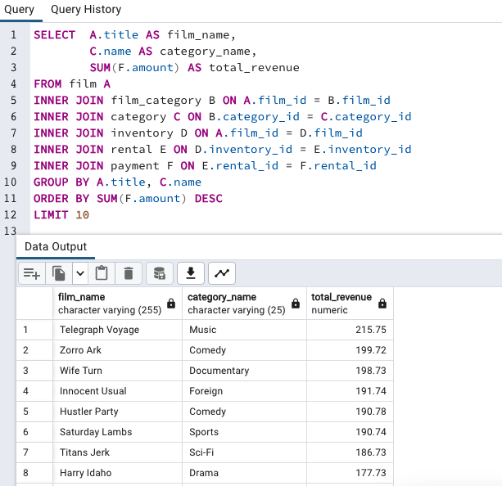
Innocent Usual | Foreign | 191.74 | INNER JOIN category C ON B.category_id = C.category_id
Hustler Party | Comedy | 190.78 | INNER JOIN inventory D ON A.film_id = D.film_id
Saturday Lambs | Sports | 190.74 | INNER JOIN rental E ON D.inventory_id = E.inventory_id
Titans Jerk | Sci-Fi | 186.73 | INNER JOIN payment F ON E.rental_id = F.rental_id
Harry Idaho | Drama | 177.73 | GROUP BY A.title, C.name
Torque Bound | Drama | 169.76 | ORDER BY SUM(F.amount) DESC
Dogma Family | Animation | 168.72 | LIMIT 10

Top_Genre
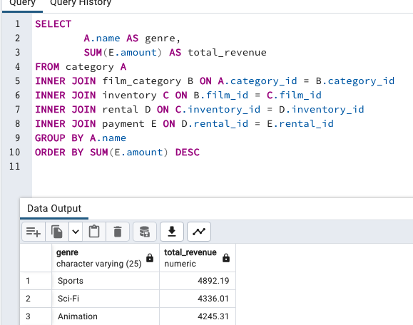
revenuebygenre
genre | total_revenue | SELECT
Sports | 4892.19 |  | A.name AS genre,
Sci-Fi | 4336.01 |  | SUM(E.amount) AS total_revenue
Animation | 4245.31 | FROM category A
Drama | 4118.46 | INNER JOIN film_category B ON A.category_id = B.category_id
Comedy | 4002.48 | INNER JOIN inventory C ON B.film_id = C.film_id
New | 3966.38 | INNER JOIN rental D ON C.inventory_id = D.inventory_id
Action | 3951.84 | INNER JOIN payment E ON D.rental_id = E.rental_id
Foreign | 3934.47 | GROUP BY A.name
Games | 3922.18 | ORDER BY SUM(E.amount) DESC
Family | 3782.26
Documentary | 3749.65
Horror | 3401.27
Classics | 3353.38
Children | 3309.39
Travel | 3227.36
Music | 3071.52
Thriller | 47.89

Average_Rental_Duration
genre | avg_rental_duration | count
Thriller | 6 | 1 | SELECT | A.name AS genre, AVG(C.rental_duration)AS avg_rental_duration, COUNT(C.film_id)
Travel | 5.350877193 | 57 | FROM category A
Music | 5.2352941176 | 51 | INNER JOIN film_category B ON A.category_id = B.category_id
Family | 5.1617647059 | 68 | INNER JOIN film C on B.film_id = C. film_id
Foreign | 5.1095890411 | 73 | GROUP BY name
Drama | 5.0806451613 | 62 | ORDER BY avg_rental_duration DESC
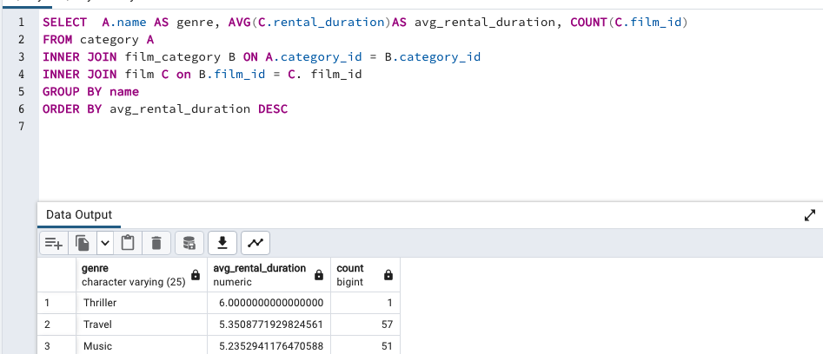
Classics | 5.0701754386 | 57
Games | 5.0655737705 | 61
Children | 5.0333333333 | 60
Action | 4.953125 | 64
Comedy | 4.9310344828 | 58
Animation | 4.8939393939 | 66
Sci-Fi | 4.8852459016 | 61
Horror | 4.8571428571 | 56
Documentary | 4.7647058824 | 68
New | 4.746031746 | 63
Sports | 4.7162162162 | 74

Top_10_Cities
country | city | number of customers | SELECT D.country, C. city, COUNT(customer_id) AS "number of customers"
United States | Aurora | 2 | FROM customer A
Mexico | Acua | 1 | INNER JOIN address B ON A.address_id = B.address_id
United States | Citrus Heights | 1 | INNER JOIN city C ON B.city_id = C.city_id
Japan | Iwaki | 1 | INNER JOIN country D ON C.country_id = D.country_id
India | Ambattur | 1 | WHERE country IN ('India','China','United States','Japan','Mexico','Brazil','Russian
China | Shanwei | 1 | Federation','Phillippines','Turkey','Indonesia')
Brazil | So Leopoldo | 1 | GROUP BY country, city
China | Tianjin | 1 | ORDER BY COUNT(customer_id) DESC
China | Hami | 1 | LIMIT 10
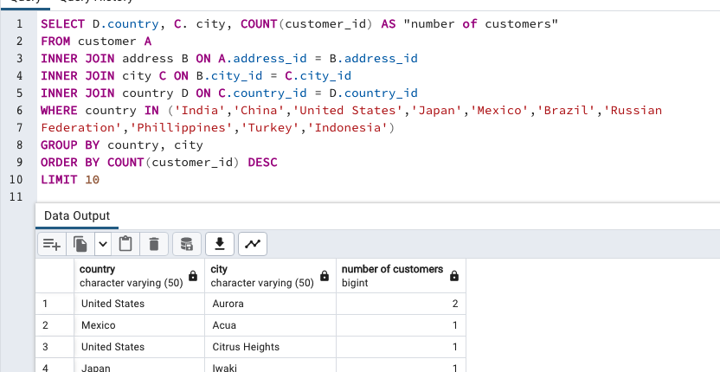
Indonesia | Cianjur | 1

Sales_By_Country
country | total_customers | total_amount
India | 60 | 6034.78
China | 53 | 5251.03 | SELECT | D.country,
United States | 36 | 3685.31 |  |  | COUNT(DISTINCT A.customer_id) AS total_customers,
Japan | 31 | 3122.51 |  |  | SUM(E.amount) AS total_amount
Mexico | 30 | 2984.82 | FROM customer A
Brazil | 28 | 2919.19 | INNER JOIN address B ON A.address_id = B.address_id
Russian Federation | 28 | 2765.62 | INNER JOIN city C ON B.city_id = C.city_id
Philippines | 20 | 2219.7 | INNER JOIN country D ON C.country_id = D.country_id
Turkey | 15 | 1498.49 | INNER JOIN payment E ON A.customer_id = E.customer_id
Indonesia | 14 | 1352.69 | GROUP BY D.country
Nigeria | 13 | 1314.92 | ORDER BY SUM(E.amount) DESC
Argentina | 13 | 1298.8
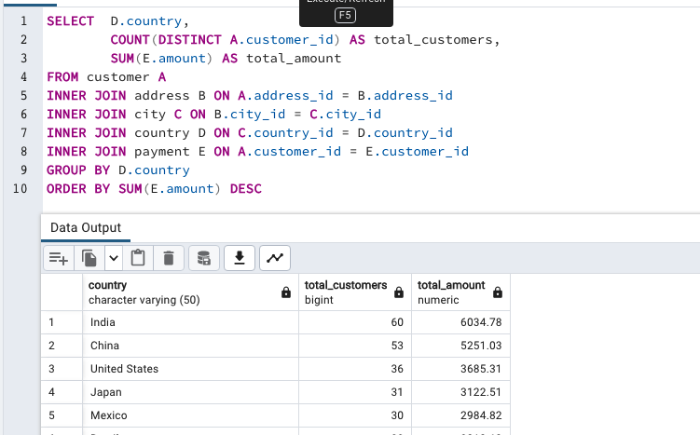
Taiwan | 10 | 1155.1
South Africa | 11 | 1069.46
Iran | 8 | 877.96
United Kingdom | 9 | 850.96
Poland | 8 | 786.16
Italy | 7 | 753.26
Germany | 7 | 741.24
Vietnam | 6 | 676.45
Ukraine | 6 | 675.53
Colombia | 6 | 661.54
Egypt | 6 | 659.48
Venezuela | 7 | 632.43
Canada | 5 | 559.7
Netherlands | 5 | 557.73
South Korea | 5 | 527.77
Spain | 5 | 513.8
Yemen | 4 | 473.93
Pakistan | 5 | 473.84
Saudi Arabia | 5 | 452.94
Peru | 4 | 407.01
Thailand | 3 | 401.08
Israel | 4 | 379.13
Ecuador | 3 | 369.18
Bangladesh | 3 | 353.19
Algeria | 3 | 349.18
France | 4 | 334.12
Malaysia | 3 | 330.23
Tanzania | 3 | 322.22
Mozambique | 3 | 315.25
United Arab Emirates | 3 | 305.25
Dominican Republic | 3 | 304.26
Chile | 3 | 303.34
Austria | 3 | 284.3
Morocco | 3 | 274.35
Paraguay | 3 | 273.4
Belarus | 2 | 271.36
Latvia | 2 | 249.43
Switzerland | 3 | 248.41
Kenya | 2 | 245.49
Yugoslavia | 2 | 233.49
Puerto Rico | 2 | 224.48
Romania | 2 | 218.42
Runion | 1 | 211.55
French Polynesia | 2 | 205.52
Greece | 2 | 204.54
Sudan | 2 | 202.51
Azerbaijan | 2 | 198.53
Bulgaria | 2 | 194.52
Kazakstan | 2 | 192.51
Angola | 2 | 187.55
Cameroon | 2 | 186.49
Myanmar | 2 | 179.53
Cambodia | 2 | 179.51
Bolivia | 2 | 178.56
Congo, The Democratic Republic of the | 2 | 168.58
Oman | 2 | 161.56
Holy See (Vatican City State) | 1 | 146.68
Nauru | 1 | 143.7
Sweden | 1 | 139.67
Czech Republic | 1 | 132.72
Moldova | 1 | 127.66
Turkmenistan | 1 | 126.74
Chad | 1 | 122.72
Malawi | 1 | 121.73
Zambia | 1 | 121.7
Virgin Islands, U.S. | 1 | 121.69
Greenland | 1 | 119.72
Armenia | 1 | 118.75
Gambia | 1 | 114.73
Iraq | 1 | 111.73
Hungary | 1 | 111.71
Bahrain | 1 | 108.76
North Korea | 1 | 107.71
Brunei | 1 | 107.66
Kuwait | 1 | 106.75
Estonia | 1 | 105.72
Hong Kong | 1 | 104.76
Sri Lanka | 1 | 103.73
Liechtenstein | 1 | 99.74
Anguilla | 1 | 99.68
French Guiana | 1 | 97.8
Faroe Islands | 1 | 96.76
Senegal | 1 | 95.76
Nepal | 1 | 93.83
Tuvalu | 1 | 93.78
Madagascar | 1 | 92.79
Ethiopia | 1 | 91.77
New Zealand | 1 | 85.77
Slovakia | 1 | 80.77
Finland | 1 | 78.79
Tunisia | 1 | 73.78
Afghanistan | 1 | 67.82
Tonga | 1 | 64.84
Saint Vincent and the Grenadines | 1 | 64.82
Lithuania | 1 | 63.78
American Samoa | 1 | 47.85

Customers_By_Country
customers_country
count | country
60 | India | SELECT COUNT (A.customer_id), D.country
53 | China | FROM customer A
36 | United States | INNER JOIN address B ON A.address_id = B.address_id
31 | Japan | INNER JOIN city C ON B.city_id = C.city_id
30 | Mexico | INNER JOIN country D ON C.country_id = D.country_id
28 | Brazil
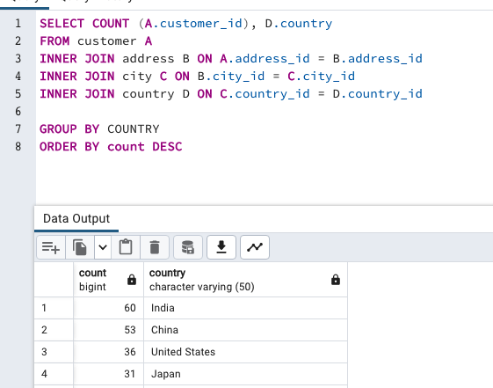
28 | Russian Federation | GROUP BY COUNTRY
20 | Philippines | ORDER BY count DESC
15 | Turkey
14 | Indonesia
13 | Argentina
13 | Nigeria
11 | South Africa
10 | Taiwan
9 | United Kingdom
8 | Poland
8 | Iran
7 | Germany
7 | Italy
7 | Venezuela
6 | Egypt
6 | Colombia
6 | Ukraine
6 | Vietnam
5 | Spain
5 | Canada
5 | South Korea
5 | Pakistan
5 | Netherlands
5 | Saudi Arabia
4 | Israel
4 | France
4 | Yemen
4 | Peru
3 | Dominican Republic
3 | Bangladesh
3 | Thailand
3 | Algeria
3 | Chile
3 | Malaysia
3 | Mozambique
3 | Switzerland
3 | Ecuador
3 | Paraguay
3 | Austria
3 | United Arab Emirates
3 | Morocco
3 | Tanzania
2 | Myanmar
2 | Bulgaria
2 | Cameroon
2 | Cambodia
2 | Congo, The Democratic Republic of the
2 | Sudan
2 | Romania
2 | Latvia
2 | Yugoslavia
2 | Puerto Rico
2 | Kazakstan
2 | Greece
2 | Bolivia
2 | Kenya
2 | French Polynesia
2 | Angola
2 | Belarus
2 | Oman
2 | Azerbaijan
1 | Hungary
1 | American Samoa
1 | Armenia
1 | Sri Lanka
1 | French Guiana
1 | Sweden
1 | Faroe Islands
1 | Ethiopia
1 | Bahrain
1 | Czech Republic
1 | Lithuania
1 | Turkmenistan
1 | Tunisia
1 | Virgin Islands, U.S.
1 | Malawi
1 | Chad
1 | Afghanistan
1 | Greenland
1 | Moldova
1 | Gambia
1 | Holy See (Vatican City State)
1 | Estonia
1 | Slovakia
1 | North Korea
1 | Nauru
1 | Liechtenstein
1 | Senegal
1 | Zambia
1 | Hong Kong
1 | Kuwait
1 | Madagascar
1 | Runion
1 | Saint Vincent and the Grenadines
1 | Tuvalu
1 | Finland
1 | Iraq
1 | Anguilla
1 | Brunei
1 | Tonga
1 | Nepal
1 | New Zealand

Lifetime_Customers
lifetime
customer_id | customer_first_name | customer_last_name | country | lifetime_value | SELECT | A.customer_id AS customer_ID,
148 | Eleanor | Hunt | Runion | 211.55 |  |  | A.first_name AS customer_first_name,
526 | Karl | Seal | United States | 208.58 |  |  | A.last_name AS customer_last_name,
178 | Marion | Snyder | Brazil | 194.61 |  |  | D.country,
137 | Rhonda | Kennedy | Netherlands | 191.62 |  |  | SUM(E.amount) AS lifetime_value
144 | Clara | Shaw | Belarus | 189.6 | FROM customer A
459 | Tommy | Collazo | Iran | 183.63 | INNER JOIN address B ON A.address_id = B.address_id
181 | Ana | Bradley | United States | 167.67 | INNER JOIN city C ON B.city_id = C.city_id
410 | Curtis | Irby | Canada | 167.62 | INNER JOIN country D ON C.country_id = D.country_id
236 | Marcia | Dean | Philippines | 166.61 | INNER JOIN payment E ON A.customer_id = E.customer_id
403 | Mike | Way | India | 162.67 | GROUP BY A.customer_id, first_name, last_name, country
522 | Arnold | Havens | Philippines | 161.68 | ORDER BY SUM(E.amount) DESC
469 | Wesley | Bull | Spain | 158.65
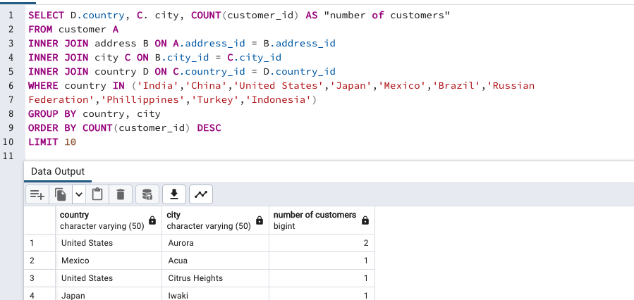
470 | Gordon | Allard | Yemen | 157.69
373 | Louis | Leone | Philippines | 156.66
259 | Lena | Jensen | India | 154.7
468 | Tim | Cary | India | 154.66
462 | Warren | Sherrod | Russian Federation | 152.69
372 | Steve | Mackenzie | Indonesia | 152.68
187 | Brittany | Riley | Ukraine | 151.73
550 | Guy | Brownlee | China | 151.69
176 | June | Carroll | Algeria | 151.68
532 | Neil | Renner | Vietnam | 149.69
75 | Tammy | Sanders | Taiwan | 149.61
209 | Tonya | Chapman | India | 147.71
26 | Jessica | Hall | Holy See (Vatican City State) | 146.68
86 | Jacqueline | Long | Thailand | 146.68
21 | Michelle | Clark | Bangladesh | 146.68
211 | Stacey | Montgomery | China | 146.67
346 | Arthur | Simpkins | Russian Federation | 145.7
366 | Brandon | Huey | Turkey | 145.64
50 | Diane | Collins | Sudan | 144.7
360 | Ralph | Madrigal | Puerto Rico | 144.68
348 | Roger | Quintanilla | Taiwan | 144.66
513 | Duane | Tubbs | Nauru | 143.7
454 | Alex | Gresham | Mexico | 143.68
347 | Ryan | Salisbury | Latvia | 142.7
390 | Shawn | Heaton | Thailand | 142.69
267 | Margie | Wade | China | 142.67
257 | Marsha | Douglas | Mozambique | 142.66
39 | Debra | Nelson | Brazil | 141.71
78 | Lori | Wood | India | 141.69
362 | Nicholas | Barfield | Brazil | 140.69
363 | Roy | Whiting | Kenya | 139.72
119 | Sherry | Marshall | Egypt | 139.69
368 | Harry | Arce | Iran | 139.69
66 | Janice | Ward | Sweden | 139.67
237 | Tanya | Gilbert | South Korea | 138.69
29 | Angela | Hernandez | Japan | 138.65
87 | Wanda | Patterson | Colombia | 137.72
80 | Marilyn | Ross | Nigeria | 137.7
439 | Alexander | Fennell | Italy | 137.67
558 | Jimmie | Eggleston | Poland | 135.72
494 | Ramon | Choate | Ecuador | 135.7
576 | Morris | Mccarter | Taiwan | 135.68
591 | Kent | Arsenault | Brazil | 134.73
467 | Alvin | Deloach | Mexico | 134.72
479 | Zachary | Hite | United States | 134.71
210 | Ella | Oliver | Yemen | 134.7
120 | Sylvia | Ortiz | Colombia | 134.7
204 | Rosemary | Schmidt | Turkey | 134.69
15 | Helen | Harris | India | 134.68
5 | Elizabeth | Brown | Taiwan | 134.65
349 | Joe | Gilliland | Philippines | 133.72
404 | Stanley | Scroggins | Japan | 133.71
172 | Bernice | Willis | Turkey | 133.7
197 | Sue | Peters | China | 133.68
265 | Jennie | Terry | Czech Republic | 132.72
533 | Jessie | Milam | China | 132.7
380 | Russell | Brinson | Poland | 132.65
472 | Greg | Robins | Vietnam | 131.74
13 | Karen | Jackson | Turkey | 131.73
125 | Ethel | Webb | South Africa | 131.69
46 | Catherine | Campbell | Russian Federation | 131.69
3 | Linda | Williams | Greece | 130.76
7 | Maria | Miller | Yugoslavia | 130.72
273 | Priscilla | Lowe | Mexico | 130.72
502 | Brett | Cornwell | India | 130.7
566 | Casey | Mena | Turkey | 130.68
342 | Harold | Martino | Brazil | 130.68
112 | Rosa | Reynolds | United States | 129.72
560 | Jordan | Archuleta | Argentina | 129.71
102 | Crystal | Ford | Israel | 129.7
168 | Regina | Berry | China | 129.68
484 | Roberto | Vu | China | 128.73
242 | Glenda | Frazier | China | 128.71
103 | Gladys | Hamilton | Nigeria | 128.71
84 | Sara | Perry | Mexico | 128.7
196 | Alma | Austin | Germany | 128.69
221 | Bessie | Morrison | Italy | 127.73
448 | Miguel | Betancourt | Germany | 127.73
520 | Mitchell | Westmoreland | Vietnam | 127.69
141 | Debbie | Reyes | Japan | 127.69
38 | Martha | Gonzalez | Moldova | 127.66
200 | Jeanne | Lawson | Turkmenistan | 126.74
206 | Terri | Vasquez | Brazil | 126.73
146 | Jamie | Rice | United States | 126.73
436 | Troy | Quigley | Canada | 126.73
108 | Tracy | Cole | Mexico | 126.72
114 | Grace | Ellis | Germany | 126.7
426 | Bradley | Motley | India | 125.74
482 | Maurice | Crawley | Mexico | 125.74
295 | Daisy | Bates | Russian Federation | 125.72
147 | Joanne | Robertson | Japan | 125.68
354 | Justin | Ngo | Brazil | 125.67
45 | Janet | Phillips | Chile | 124.74
89 | Julia | Flores | Argentina | 124.71
198 | Elsie | Kelley | Nigeria | 124.68
129 | Carrie | Porter | China | 124.66
300 | John | Farnsworth | India | 123.74
2 | Patricia | Johnson | United States | 123.74
506 | Leslie | Seward | Indonesia | 123.72
371 | Billy | Poulin | Philippines | 123.71
27 | Shirley | Allen | Philippines | 123.7
51 | Alice | Stewart | United States | 123.7
30 | Melissa | King | Taiwan | 123.66
434 | Eddie | Tomlin | Philippines | 122.74
92 | Tina | Simmons | Brazil | 122.74
535 | Javier | Elrod | Chad | 122.72
163 | Cathy | Spencer | Japan | 122.71
244 | Viola | Hanson | Philippines | 122.7
473 | Jorge | Olivares | Indonesia | 122.69
508 | Milton | Howland | India | 121.77
166 | Lynn | Payne | Malawi | 121.73
497 | Gilbert | Sledge | United Kingdom | 121.73
451 | Jim | Rea | Mexico | 121.7
438 | Barry | Lovelace | Zambia | 121.7
406 | Nathan | Runyon | Virgin Islands, U.S. | 121.69
491 | Rick | Mattox | Egypt | 120.75
423 | Alfred | Casillas | Egypt | 120.74
179 | Dana | Hart | Russian Federation | 120.74
499 | Marc | Outlaw | Italy | 120.71
122 | Thelma | Murray | Peru | 120.7
59 | Cheryl | Murphy | India | 119.76
389 | Alan | Kahn | China | 119.75
487 | Hector | Poindexter | Russian Federation | 119.74
207 | Gertrude | Castillo | Greenland | 119.72
306 | Charles | Kowalski | Malaysia | 119.72
82 | Kathryn | Coleman | Ukraine | 118.76
41 | Stephanie | Mitchell | Armenia | 118.75
589 | Tracy | Herrmann | Ecuador | 118.75
565 | Jaime | Nettles | Peru | 118.73
35 | Virginia | Green | France | 118.7
128 | Marjorie | Tucker | Poland | 118.7
230 | Joy | George | Romania | 118.69
285 | Miriam | Mckinney | Japan | 117.77
583 | Marshall | Thorn | United Kingdom | 117.77
585 | Perry | Swafford | Argentina | 117.76
504 | Nathaniel | Adam | United States | 117.75
421 | Lee | Hawks | India | 117.75
573 | Byron | Box | Kazakstan | 117.72
49 | Joyce | Edwards | Saudi Arabia | 116.76
149 | Valerie | Black | United States | 116.75
253 | Terry | Carlson | Japan | 116.74
263 | Hilda | Hopkins | Philippines | 116.73
274 | Naomi | Jennings | India | 116.73
71 | Kathy | James | Philippines | 116.72
356 | Gerald | Fultz | India | 116.71
512 | Cecil | Vines | United Kingdom | 115.74
56 | Gloria | Cook | French Polynesia | 115.74
529 | Erik | Guillen | India | 115.72
393 | Philip | Causey | Russian Federation | 115.71
158 | Veronica | Stone | United States | 115.7
279 | Dianne | Shelton | Iran | 114.76
54 | Teresa | Rogers | Japan | 114.74
584 | Salvador | Teel | Gambia | 114.73
262 | Patsy | Davidson | Ecuador | 114.73
388 | Craig | Morrell | Philippines | 114.72
107 | Florence | Woods | Argentina | 114.72
1 | Mary | Smith | Japan | 114.7
433 | Don | Bone | Mozambique | 113.77
309 | Christopher | Greco | Italy | 113.75
302 | Michael | Silverman | China | 113.74
266 | Nora | Herrera | Austria | 113.74
569 | Dave | Gardiner | China | 113.73
139 | Amber | Dixon | Taiwan | 113.73
416 | Jeffery | Pinson | Pakistan | 113.72
314 | George | Linton | Brazil | 113.71
260 | Christy | Vargas | China | 113.7
540 | Tyrone | Asher | Bulgaria | 112.76
582 | Andy | Vanhorn | Mexico | 112.76
63 | Ashley | Richardson | United States | 112.75
32 | Amy | Lopez | India | 112.74
131 | Monica | Hicks | Ukraine | 112.73
485 | Clyde | Tobias | China | 112.72
453 | Calvin | Martel | Venezuela | 111.77
337 | Jerry | Jordon | Japan | 111.76
225 | Arlene | Harvey | India | 111.76
577 | Clifton | Malcolm | Taiwan | 111.74
113 | Cindy | Fisher | Venezuela | 111.73
173 | Audrey | Ray | Austria | 111.73
579 | Daryl | Larue | Iraq | 111.73
42 | Carolyn | Perez | Thailand | 111.71
186 | Holly | Fox | India | 111.71
592 | Terrance | Roush | Hungary | 111.71
531 | Jamie | Waugh | Japan | 110.77
258 | Myrtle | Fleming | Dominican Republic | 110.76
495 | Charlie | Bess | China | 110.76
515 | Andre | Rapp | Chile | 110.74
213 | Gina | Williamson | Yemen | 110.73
154 | Michele | Grant | China | 110.73
559 | Everett | Banda | Egypt | 110.72
90 | Ruby | Washington | China | 110.72
595 | Terrence | Gunderson | China | 110.71
241 | Heidi | Larson | China | 110.68
170 | Beatrice | Arnold | India | 109.77
536 | Fernando | Churchill | South Korea | 109.77
575 | Isaac | Oglesby | Mexico | 109.76
220 | Charlene | Alvarez | Tanzania | 109.75
16 | Sandra | Martin | United Kingdom | 109.75
447 | Clifford | Bowens | Russian Federation | 109.73
376 | Randy | Gaither | Russian Federation | 109.73
538 | Ted | Breaux | China | 109.73
481 | Herman | Devore | Tanzania | 109.72
446 | Theodore | Culp | India | 109.72
386 | Todd | Tan | Ukraine | 109.72
424 | Kyle | Spurlock | China | 109.71
284 | Sonia | Gregory | Nigeria | 108.78
594 | Eduardo | Hiatt | China | 108.77
590 | Seth | Hannon | Bahrain | 108.76
277 | Olga | Jimenez | Nigeria | 108.76
518 | Gabriel | Harder | Turkey | 108.75
334 | Raymond | Mcwhorter | Azerbaijan | 108.75
574 | Julian | Vest | Japan | 108.73
239 | Minnie | Romero | Indonesia | 108.72
167 | Sally | Pierce | India | 108.71
293 | Mae | Fletcher | Spain | 107.79
571 | Johnnie | Chisholm | Poland | 107.78
427 | Jesus | Mccartney | Brazil | 107.77
332 | Stephen | Qualls | Bangladesh | 107.74
441 | Mario | Cheatham | Algeria | 107.73
588 | Marion | Ocampo | China | 107.73
145 | Lucille | Holmes | South Africa | 107.73
157 | Darlene | Rose | North Korea | 107.71
418 | Jeff | East | Dominican Republic | 107.7
254 | Maxine | Silva | Brazil | 107.7
91 | Lois | Butler | Brunei | 107.66
477 | Dan | Paine | United Kingdom | 106.79
240 | Marlene | Welch | Japan | 106.77
343 | Douglas | Graf | Mexico | 106.77
155 | Gail | Knight | Switzerland | 106.76
234 | Claudia | Fuller | Kuwait | 106.75
471 | Dean | Sauer | South Africa | 106.74
116 | Victoria | Gibson | Indonesia | 106.74
160 | Erin | Dunn | Russian Federation | 106.73
23 | Sarah | Lewis | Latvia | 106.73
457 | Bill | Gavin | United States | 106.73
52 | Julie | Sanchez | Spain | 106.72
138 | Hazel | Warren | China | 106.68
127 | Elaine | Stevens | Russian Federation | 105.78
490 | Sam | Mcduffie | Colombia | 105.78
331 | Eric | Robert | Argentina | 105.78
294 | Shelly | Watts | United States | 105.77
193 | Katie | Elliott | Kenya | 105.77
58 | Jean | Bell | Malaysia | 105.76
400 | Bryan | Hardison | United States | 105.76
396 | Earl | Shanks | Japan | 105.74
40 | Amanda | Carter | Morocco | 105.74
96 | Diana | Alexander | United States | 105.73
444 | Marcus | Hidalgo | Estonia | 105.72
28 | Cynthia | Young | India | 105.7
345 | Carl | Artis | Paraguay | 104.79
493 | Brent | Harkins | Turkey | 104.78
289 | Violet | Rodriquez | Hong Kong | 104.76
171 | Dolores | Wagner | Malaysia | 104.75
121 | Josephine | Gomez | India | 104.75
31 | Brenda | Wright | India | 104.74
407 | Dale | Ratcliff | South Africa | 104.74
25 | Deborah | Walker | Pakistan | 104.73
397 | Jimmy | Schrader | Russian Federation | 104.72
442 | Leroy | Bustamante | China | 104.71
341 | Peter | Menard | Netherlands | 103.78
280 | Tracey | Barrett | Nigeria | 103.77
296 | Ramona | Hale | India | 103.77
214 | Kristin | Johnston | United States | 103.74
245 | Courtney | Day | South Korea | 103.74
202 | Carla | Gutierrez | India | 103.74
408 | Manuel | Murrell | Sri Lanka | 103.73
20 | Sharon | Robinson | Pakistan | 103.73
292 | Misty | Lambert | United Arab Emirates | 102.78
510 | Ben | Easter | Russian Federation | 102.77
553 | Max | Pitt | Yugoslavia | 102.77
587 | Sergio | Stanfield | Mexico | 102.76
98 | Lillian | Griffin | United Arab Emirates | 102.76
190 | Yolanda | Weaver | Tanzania | 102.75
126 | Ellen | Simpson | Brazil | 102.75
44 | Marie | Turner | Russian Federation | 101.79
466 | Leo | Ebert | China | 101.78
100 | Robin | Hayes | Russian Federation | 101.77
593 | Rene | Mcalister | United States | 101.76
405 | Leonard | Schofield | Argentina | 101.7
486 | Glen | Talbert | Mexico | 100.77
572 | Sidney | Burleson | Poland | 100.76
517 | Brad | Mccurdy | Taiwan | 100.76
219 | Willie | Howell | Argentina | 100.75
251 | Vickie | Brewer | Germany | 100.75
135 | Juanita | Mason | India | 100.72
519 | Ron | Deluca | Japan | 99.78
11 | Lisa | Anderson | Japan | 99.77
297 | Sherri | Rhodes | India | 99.74
57 | Evelyn | Morgan | Liechtenstein | 99.74
563 | Ken | Prewitt | Romania | 99.73
503 | Angel | Barclay | Japan | 99.72
452 | Tom | Milner | United Arab Emirates | 99.71
381 | Bobby | Boudreau | Anguilla | 99.68
19 | Ruth | Martinez | South Africa | 98.82
329 | Frank | Waggoner | Bangladesh | 98.77
175 | Annette | Olson | India | 98.76
537 | Clinton | Buford | United States | 98.76
374 | Jeremy | Hurtado | Brazil | 98.75
425 | Francis | Sikes | Mexico | 98.75
264 | Gwendolyn | May | Japan | 98.75
580 | Ross | Grey | Philippines | 98.74
65 | Rose | Howard | French Guiana | 97.8
367 | Adam | Gooch | India | 97.8
460 | Leon | Bostic | Colombia | 97.79
475 | Pedro | Chestnut | Ukraine | 97.78
409 | Rodney | Moeller | Nigeria | 97.78
562 | Wallace | Slone | Nigeria | 97.78
192 | Laurie | Lawrence | India | 97.78
123 | Shannon | Freeman | India | 97.77
256 | Mabel | Holland | Myanmar | 97.75
581 | Virgil | Wofford | Mexico | 97.75
269 | Cassandra | Walters | United States | 96.79
379 | Carlos | Coughlin | India | 96.79
268 | Nina | Soto | India | 96.79
352 | Albert | Crouse | Cameroon | 96.78
83 | Louise | Jenkins | South Africa | 96.78
14 | Betty | White | United States | 96.77
414 | Vincent | Ralston | Mexico | 96.77
445 | Micheal | Forman | Argentina | 96.76
286 | Velma | Lucas | Nigeria | 96.76
317 | Edward | Baugh | Faroe Islands | 96.76
500 | Reginald | Kinder | Indonesia | 96.75
422 | Melvin | Ellington | China | 96.75
74 | Denise | Kelly | Brazil | 96.74
554 | Dwayne | Olvera | India | 95.8
578 | Willard | Lumpkin | Mexico | 95.79
106 | Connie | Wallace | Russian Federation | 95.79
541 | Darren | Windham | Italy | 95.78
180 | Stacy | Cunningham | Colombia | 95.78
488 | Shane | Millard | Mexico | 95.78
324 | Gary | Coy | China | 95.78
199 | Beth | Franklin | Vietnam | 95.76
456 | Ronnie | Ricketts | Senegal | 95.76
339 | Walter | Perryman | China | 95.76
132 | Esther | Crawford | South Africa | 95.72
22 | Laura | Rodriguez | Morocco | 94.81
150 | Danielle | Daniels | Mexico | 94.78
68 | Nicole | Peterson | India | 94.78
276 | Brandy | Graves | United States | 94.77
546 | Kelly | Knott | China | 94.76
10 | Dorothy | Taylor | Iran | 94.76
161 | Geraldine | Perkins | Israel | 94.76
153 | Suzanne | Nichols | Indonesia | 94.76
111 | Carmen | Owens | Venezuela | 94.75
321 | Kevin | Schuler | Nepal | 93.83
432 | Edwin | Burk | South Africa | 93.8
528 | Claude | Herzog | Angola | 93.8
319 | Ronald | Weiner | Mexico | 93.79
443 | Francisco | Skidmore | Brazil | 93.79
336 | Joshua | Mark | India | 93.78
105 | Dawn | Sullivan | Tuvalu | 93.78
385 | Phillip | Holm | Japan | 93.76
229 | Tamara | Nguyen | Brazil | 93.75
383 | Martin | Bales | Angola | 93.75
377 | Howard | Fortner | Iran | 93.74
12 | Nancy | Thomas | India | 93.74
47 | Frances | Parker | Brazil | 92.81
544 | Cody | Nolen | Brazil | 92.8
307 | Joseph | Joy | Brazil | 92.8
81 | Andrea | Henderson | Madagascar | 92.79
365 | Bruce | Schwarz | Japan | 92.79
511 | Chester | Benner | China | 92.78
431 | Joel | Francisco | Bolivia | 92.78
516 | Elmer | Noe | Cambodia | 92.76
182 | Renee | Lane | United States | 92.76
188 | Melanie | Armstrong | Philippines | 92.75
474 | Dustin | Gillette | Netherlands | 92.75
275 | Carole | Barnett | United States | 92.75
505 | Rafael | Abney | Philippines | 91.81
489 | Ricardo | Meador | Japan | 91.81
212 | Wilma | Richards | United States | 91.8
37 | Pamela | Baker | China | 91.79
417 | Travis | Estep | Saudi Arabia | 91.78
201 | Vicki | Fields | Germany | 91.78
392 | Sean | Douglass | Ethiopia | 91.77
323 | Matthew | Mahan | Mexico | 91.75
570 | Ivan | Cromwell | Mexico | 91.75
64 | Judith | Cox | China | 91.7
216 | Natalie | Meyer | Brazil | 90.78
261 | Deanna | Byrd | Philippines | 90.78
99 | Emily | Diaz | South Korea | 90.77
36 | Kathleen | Adams | Iran | 90.75
461 | Derek | Blakely | Philippines | 90.73
552 | Hugh | Waldrop | China | 89.8
333 | Andrew | Purdy | Azerbaijan | 89.78
43 | Christine | Roberts | French Polynesia | 89.78
364 | Benjamin | Varney | Mexico | 89.78
73 | Beverly | Brooks | Taiwan | 89.78
156 | Bertha | Ferguson | Nigeria | 89.77
507 | Edgar | Rhoads | Turkey | 89.77
69 | Judy | Gray | Algeria | 89.77
235 | Jackie | Lynch | Colombia | 89.77
233 | Lillie | Kim | Egypt | 89.77
34 | Rebecca | Scott | Japan | 89.76
463 | Darrell | Power | Canada | 89.76
361 | Lawrence | Lawton | Cameroon | 89.71
247 | Stella | Moreno | Mexico | 88.81
249 | Dora | Medina | China | 88.81
375 | Aaron | Selby | Congo, The Democratic Republic of the | 88.8
33 | Anna | Hill | Italy | 88.8
60 | Mildred | Bailey | India | 88.78
415 | Glenn | Pullen | Netherlands | 88.78
231 | Georgia | Jacobs | India | 88.77
53 | Heather | Morris | Japan | 88.76
133 | Pauline | Henry | Mexico | 88.75
72 | Theresa | Watson | Philippines | 88.73
17 | Donna | Thompson | Russian Federation | 87.82
203 | Tara | Ryan | Indonesia | 87.81
547 | Kurt | Emmons | Japan | 87.8
305 | Richard | Mccrary | United States | 87.8
476 | Derrick | Bourque | Canada | 87.8
523 | Harvey | Guajardo | Vietnam | 87.8
189 | Loretta | Carpenter | Canada | 87.79
226 | Maureen | Little | Paraguay | 87.79
130 | Charlotte | Hunter | Brazil | 87.78
351 | Jack | Foust | Russian Federation | 87.77
597 | Freddie | Duggan | Peru | 87.77
509 | Raul | Fortier | India | 86.82
195 | Vanessa | Sims | Germany | 86.81
501 | Ruben | Geary | Poland | 86.81
238 | Nellie | Garrett | India | 86.81
478 | Lewis | Lyman | Israel | 86.81
67 | Kelly | Torres | China | 86.8
169 | Erica | Matthews | China | 86.8
217 | Agnes | Bishop | India | 86.79
232 | Constance | Reid | Nigeria | 86.77
101 | Peggy | Myers | Saudi Arabia | 86.77
419 | Chad | Carbone | India | 86.76
228 | Allison | Stanley | Cambodia | 86.75
208 | Lucy | Wheeler | India | 86.75
561 | Ian | Still | United States | 86.75
115 | Wendy | Harrison | Mexico | 86.73
437 | Randall | Neumann | Dominican Republic | 85.8
567 | Alfredo | Mcadams | Russian Federation | 85.8
359 | Willie | Markham | Argentina | 85.78
382 | Victor | Barkley | United States | 85.78
455 | Jon | Wiles | Bolivia | 85.78
24 | Kimberly | Lee | Argentina | 85.77
77 | Jane | Bennett | Brazil | 85.77
8 | Susan | Wilson | New Zealand | 85.77
450 | Jay | Robb | Indonesia | 85.75
542 | Lonnie | Tirado | Indonesia | 84.84
55 | Doris | Reed | Russian Federation | 84.81
545 | Julio | Noland | Ukraine | 84.81
539 | Mathew | Bolin | Venezuela | 84.8
88 | Bonnie | Hughes | South Korea | 84.8
299 | James | Gannon | Japan | 84.79
6 | Jennifer | Davis | United States | 84.75
140 | Eva | Ramos | United States | 83.82
480 | Corey | Hauser | Turkey | 83.81
143 | Leslie | Gordon | Turkey | 83.8
440 | Bernard | Colby | India | 83.79
598 | Wade | Delvalle | Switzerland | 83.78
340 | Patrick | Newsom | Vietnam | 83.77
496 | Tyler | Wren | China | 82.81
564 | Bob | Pfeiffer | China | 82.78
498 | Gene | Sanborn | Oman | 82.76
483 | Vernon | Chapa | Turkey | 81.83
524 | Jared | Ely | Indonesia | 81.83
174 | Yvonne | Watkins | Venezuela | 81.81
322 | Jason | Morrissey | Argentina | 81.81
308 | Thomas | Grigsby | United States | 81.81
165 | Lorraine | Stephens | China | 81.8
312 | Mark | Rinehart | Saudi Arabia | 81.8
4 | Barbara | Jones | Myanmar | 81.78
534 | Christian | Jung | India | 81.78
527 | Cory | Meehan | Belarus | 81.76
215 | Jessie | Banks | Bulgaria | 81.76
151 | Megan | Palmer | China | 81.75
311 | Paul | Trout | Russian Federation | 80.85
449 | Oscar | Aquino | Iran | 80.83
205 | Eileen | Carr | Paraguay | 80.82
316 | Steven | Curley | India | 80.81
184 | Vivian | Ruiz | Netherlands | 80.8
290 | Kristina | Chambers | Venezuela | 80.78
287 | Becky | Miles | India | 80.78
521 | Roland | South | China | 80.77
357 | Keith | Rico | Slovakia | 80.77
304 | David | Royal | Peru | 79.81
109 | Edna | West | South Africa | 79.81
185 | Roberta | Harper | Iran | 79.8
282 | Jenny | Castro | Puerto Rico | 79.8
387 | Jesse | Schilling | Congo, The Democratic Republic of the | 79.78
391 | Clarence | Gamez | Japan | 79.75
429 | Frederick | Isbell | Japan | 78.84
599 | Austin | Cintron | China | 78.82
18 | Carol | Garcia | Nigeria | 78.81
338 | Dennis | Gilman | South Africa | 78.8
9 | Margaret | Moore | Oman | 78.8
298 | Erika | Pena | Finland | 78.79
62 | Joan | Cooper | United States | 78.79
227 | Colleen | Burton | Germany | 78.78
435 | Ricky | Shelby | China | 78.77
223 | Melinda | Fernandez | Pakistan | 77.84
134 | Emma | Boyd | Egypt | 77.81
402 | Luis | Yanez | France | 77.81
394 | Chris | Brothers | Spain | 77.8
384 | Ernest | Stepp | China | 77.79
104 | Rita | Graham | France | 77.78
243 | Lydia | Burke | Argentina | 77.77
246 | Marian | Mendoza | Brazil | 76.82
93 | Phyllis | Foster | China | 76.8
118 | Kim | Cruz | United States | 76.8
224 | Pearl | Garza | India | 76.78
70 | Christina | Ramirez | Saudi Arabia | 75.83
270 | Leah | Curtis | Poland | 75.81
358 | Samuel | Marlow | India | 75.8
551 | Clayton | Barbee | Brazil | 75.79
183 | Ida | Andrews | Brazil | 75.78
530 | Darryl | Ashcraft | Argentina | 75.78
194 | Kristen | Chavez | Japan | 74.84
555 | Dwight | Lombardi | South Africa | 74.83
412 | Allen | Butterfield | India | 74.83
327 | Larry | Thrasher | Turkey | 74.81
420 | Jacob | Lance | United States | 74.8
76 | Irene | Price | Kazakstan | 74.79
142 | April | Burns | United Kingdom | 74.77
398 | Antonio | Meek | Brazil | 73.85
291 | Toni | Holt | United States | 73.83
399 | Danny | Isom | Pakistan | 73.82
428 | Herbert | Kruger | Russian Federation | 73.81
152 | Alicia | Mills | India | 73.81
79 | Rachel | Barnes | Japan | 73.81
543 | Lance | Pemberton | Morocco | 73.8
335 | Gregory | Mauldin | Tunisia | 73.78
596 | Enrique | Forsythe | Greece | 73.78
411 | Norman | Currier | Indonesia | 73.76
95 | Paula | Bryant | India | 72.83
325 | Timothy | Bunn | Brazil | 72.82
556 | Armando | Gruber | United Kingdom | 72.82
85 | Anne | Powell | United Kingdom | 72.79
301 | Robert | Baughman | Russian Federation | 71.85
222 | Delores | Hansen | Russian Federation | 71.84
94 | Norma | Gonzales | Philippines | 71.81
430 | Ray | Houle | Russian Federation | 71.8
278 | Billie | Horton | Turkey | 71.79
177 | Samantha | Duncan | Mexico | 71.77
255 | Irma | Pearson | Philippines | 70.82
378 | Eugene | Culpepper | China | 70.82
303 | William | Satterfield | Yemen | 70.81
370 | Wayne | Truong | India | 70.81
117 | Edith | Mcdonald | India | 69.83
514 | Franklin | Troutman | China | 69.79
369 | Fred | Wheat | Mexico | 69.79
310 | Daniel | Cabral | Brazil | 68.87
465 | Floyd | Gandy | Mexico | 68.84
525 | Adrian | Clary | Italy | 68.82
355 | Terry | Grissom | Japan | 68.81
283 | Felicia | Sutton | China | 68.77
48 | Ann | Evans | Russian Federation | 67.86
315 | Kenneth | Gooden | Israel | 67.86
464 | Jerome | Kenyon | Chile | 67.86
218 | Vera | Mccoy | Afghanistan | 67.82
191 | Jeanette | Greene | Russian Federation | 66.82
458 | Lloyd | Dowd | Indonesia | 66.81
568 | Alberto | Henning | Venezuela | 66.79
272 | Kay | Caldwell | China | 65.87
353 | Jonathan | Scarborough | Mexico | 65.83
328 | Jeffrey | Spear | Indonesia | 65.83
413 | Marvin | Yee | India | 65.81
164 | Joann | Gardner | Turkey | 64.85
344 | Henry | Billingsley | Tonga | 64.84
326 | Jose | Andrew | Saint Vincent and the Grenadines | 64.82
548 | Allan | Cornish | Philippines | 63.84
313 | Donald | Mahon | China | 63.84
350 | Juan | Fraley | Russian Federation | 63.79
557 | Felix | Gaffney | Lithuania | 63.78
492 | Lester | Kraus | India | 62.85
549 | Nelson | Christenson | Spain | 62.84
401 | Tony | Carranza | Japan | 62.81
330 | Scott | Shelley | United States | 60.82
136 | Anita | Morales | India | 59.86
162 | Lauren | Hudson | France | 59.83
159 | Jill | Hawkins | Austria | 58.83
97 | Annie | Russell | Mozambique | 58.82
252 | Mattie | Hoffman | United Kingdom | 58.8
61 | Katherine | Rivera | Switzerland | 57.87
124 | Sheila | Wells | Turkey | 57.86
395 | Johnny | Turpin | Sudan | 57.81
271 | Penny | Neal | India | 56.84
250 | Jo | Fowler | Nigeria | 54.85
288 | Bobbie | Craig | Mexico | 52.81
586 | Kirk | Stclair | Taiwan | 50.83
110 | Tiffany | Jordan | China | 49.88
320 | Anthony | Schwab | American Samoa | 47.85
248 | Caroline | Bowman | United States | 37.87
281 | Leona | Obrien | China | 32.9
318 | Brian | Wyman | Poland | 27.93

